COM_0104
Component Data Card

 | Parent Code: COM_01 |  | Name: Partial Pull Drawer 30 kg

 |  |  | 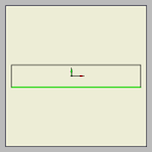
 |  |  | W6459 0,45

 | Quantity: | 4
 | Part Code: | COM_0104
 | Name: | Drawer Front
 | Size: | 840x144x18
 | Material Type: | Laminated Board
 | Has Grain: | No
 | Material
 | Code: | 10-0200-0000-00122
 | Name: | Laminated Medium Density Fiberboard W6459 18MM
 | Coloring
 | Code: | W6459
 | Name: | White

COM_0106
Component Data Card

 | Parent Code: COM_01 |  | Name: Partial Pull Drawer 30 kg

 |  |  | 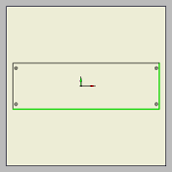 | W6459 0,45
 |  |  | W6459 0,45

 | Quantity: | 4
 | Part Code: | COM_0106
 | Name: | Drawer Left
 | Size: | 456x144x18
 | Material Type: | Laminated Board
 | Has Grain: | No
 | Material
 | Code: | 10-0200-0000-00122
 | Name: | Laminated Medium Density Fiberboard W6459 18MM
 | Coloring
 | Code: | W6459
 | Name: | White

COM_0107
Component Data Card

 | Parent Code: COM_01 |  |  | Name: Partial Pull Drawer 30 kg

 |  |  | W6459 0,45 | 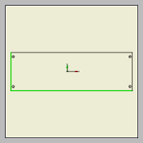
 |  |  |  | W6459 0,45

 | Quantity: | 4
 | Part Code: | COM_0107
 | Name: | Drawer Right
 | Size: | 456x144x18
 | Material Type: | Laminated Board
 | Has Grain: | No
 | Material
 | Code: | 10-0200-0000-00122
 | Name: | Laminated Medium Density Fiberboard W6459 18MM
 | Coloring
 | Code: | W6459
 | Name: | White

COM_0102
Component Data Card

 | Parent Code: COM_01 |  | Name: Partial Pull Drawer 30 kg

 |  |  | 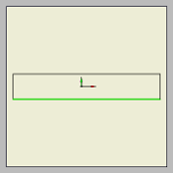
 |  |  | W6459 0,45

 | Quantity: | 4
 | Part Code: | COM_0102
 | Name: | Drawer Back
 | Size: | 840x144x18
 | Material Type: | Laminated Board
 | Has Grain: | No
 | Material
 | Code: | 10-0200-0000-00122
 | Name: | Laminated Medium Density Fiberboard W6459 18MM
 | Coloring
 | Code: | W6459
 | Name: | White

COM_0103
Component Data Card

 | Parent Code: COM_01 |  | Name: Partial Pull Drawer 30 kg

 |  |  | 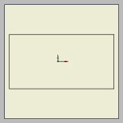

 | Quantity: | 4
 | Part Code: | COM_0103
 | Name: | Drawer Bottom
 | Size: | 875x453x3,2
 | Material Type: | Laminated Board
 | Has Grain: | No
 | Material
 | Code: | 10-0200-0000-00122
 | Name: | Laminated Medium Density Fiberboard W6459 18MM
 | Coloring
 | Code: | W6459
 | Name: | White

COM_23
Component Data Card

 | Parent Code: COM |  |  | Name: Commode

 |  |  | R5028 0,45 | 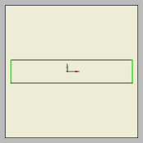 | R5028 0,45

 | Quantity: | 1
 | Part Code: | COM_23
 | Name: | Top of Commode
 | Size: | 1901x362x18
 | Material Type: | Laminated Board
 | Has Grain: | Yes
 | Material
 | Code: | 10-0200-0000-00117
 | Name: | Laminated Medium Density Fiberboard R5028 18MM
 | Coloring
 | Code: | R5028
 | Name: | Acacia cinamon

COM_10
Component Data Card

 | Parent Code: COM |  | Name: Commode

 |  |  | 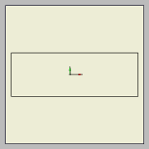

 | Quantity: | 1
 | Part Code: | COM_10
 | Name: | Left Side of Commode
 | Size: | 1054x362x18
 | Material Type: | Laminated Board
 | Has Grain: | Yes
 | Material
 | Code: | 10-0200-0000-00117
 | Name: | Laminated Medium Density Fiberboard R5028 18MM
 | Coloring
 | Code: | R5028
 | Name: | Acacia cinamon

COM_02
Component Data Card

 | Parent Code: COM |  |  | Name: Commode

 |  |  | R5028 0,45 | 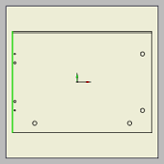

 | Quantity: | 1
 | Part Code: | COM_02
 | Name: | Bottom of Commode
 | Size: | 500x362x18
 | Material Type: | Laminated Board
 | Has Grain: | Yes
 | Material
 | Code: | 10-0200-0000-00117
 | Name: | Laminated Medium Density Fiberboard R5028 18MM
 | Coloring
 | Code: | R5028
 | Name: | Acacia cinamon

COM_16
Component Data Card

 | Parent Code: COM |  | Name: Commode

 |  |  | 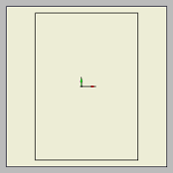

 | Quantity: | 1
 | Part Code: | COM_16
 | Name: | Right Side of Commode
 | Size: | 362x252x18
 | Material Type: | Laminated Board
 | Has Grain: | Yes
 | Material
 | Code: | 10-0200-0000-00117
 | Name: | Laminated Medium Density Fiberboard R5028 18MM
 | Coloring
 | Code: | R5028
 | Name: | Acacia cinamon

COM_24
Component Data Card

 | Parent Code: COM |  |  | Name: Commode
 |  |  |  | R3108 2
 |  |  | R3108 2 | 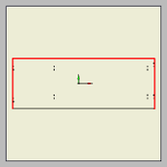 | R3108 2

 | Quantity: | 1
 | Part Code: | COM_24
 | Name: | Top of Drawer Block
 | Size: | 1404x500x25
 | Material Type: | Laminated Board
 | Has Grain: | Yes
 | Material
 | Code: | 10-0200-0000-001147
 | Name: | Laminated Medium Density Fiberboard 729 T 25MM
 | Coloring
 | Code: | 729
 | Name: | Walnut dark

COM_11
Component Data Card

 | Parent Code: COM |  | Name: Commode

 |  |  | 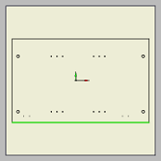
 |  |  | R5028 0,45

 | Quantity: | 1
 | Part Code: | COM_11
 | Name: | Left Side of Drawer Block
 | Size: | 777x476x18
 | Material Type: | Laminated Board
 | Has Grain: | Yes
 | Material
 | Code: | 10-0200-0000-00117
 | Name: | Laminated Medium Density Fiberboard R5028 18MM
 | Coloring
 | Code: | R5028
 | Name: | Acacia cinamon

COM_03
Component Data Card

 | Parent Code: COM |  |  | Name: Commode

 |  |  | R5028 0,45 | 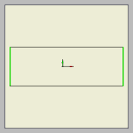 | R5028 0,45

 | Quantity: | 1
 | Part Code: | COM_03
 | Name: | Bottom of Drawer Block
 | Size: | 1401x480x18
 | Material Type: | Laminated Board
 | Has Grain: | Yes
 | Material
 | Code: | 10-0200-0000-00117
 | Name: | Laminated Medium Density Fiberboard R5028 18MM
 | Coloring
 | Code: | R5028
 | Name: | Acacia cinamon

COM_17
Component Data Card

 | Parent Code: COM |  | Name: Commode

 |  |  | 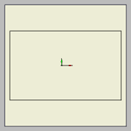

 | Quantity: | 1
 | Part Code: | COM_17
 | Name: | Right Side of Drawer Block
 | Size: | 777x480x18
 | Material Type: | Laminated Board
 | Has Grain: | Yes
 | Material
 | Code: | 10-0200-0000-00117
 | Name: | Laminated Medium Density Fiberboard R5028 18MM
 | Coloring
 | Code: | R5028
 | Name: | Acacia cinamon

COM_12
Component Data Card

 | Parent Code: COM |  | Name: Commode
 |  |  | R5028 0,45
 |  |  | 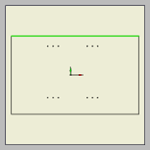

 | Quantity: | 1
 | Part Code: | COM_12
 | Name: | Left Vertical Partition of Drawer Block
 | Size: | 777x476x18
 | Material Type: | Laminated Board
 | Has Grain: | Yes
 | Material
 | Code: | 10-0200-0000-00117
 | Name: | Laminated Medium Density Fiberboard R5028 18MM
 | Coloring
 | Code: | R5028
 | Name: | Acacia cinamon

COM_25
Component Data Card

 | Parent Code: COM |  |  | Name: Commode
 |  |  |  | R5028 0,45
 |  |  | R5028 0,45 | 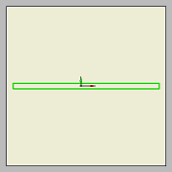 | R5028 0,45
 |  |  |  | R5028 0,45

 | Quantity: | 1
 | Part Code: | COM_25
 | Name: | Top Plynth of Commode
 | Size: | 1901x71x18
 | Material Type: | Laminated Board
 | Has Grain: | Yes
 | Material
 | Code: | 10-0200-0000-00117
 | Name: | Laminated Medium Density Fiberboard R5028 18MM
 | Coloring
 | Code: | R5028
 | Name: | Acacia cinamon

COM_08
Component Data Card

 | Parent Code: COM |  | Name: Commode
 |  |  | R5028 0,45
 |  |  | 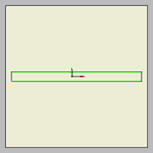
 |  |  | R5028 0,45

 | Quantity: | 1
 | Part Code: | COM_08
 | Name: | Left Plynth of Commode
 | Size: | 950x71x18
 | Material Type: | Laminated Board
 | Has Grain: | Yes
 | Material
 | Code: | 10-0200-0000-00117
 | Name: | Laminated Medium Density Fiberboard R5028 18MM
 | Coloring
 | Code: | R5028
 | Name: | Acacia cinamon

COM_04
Component Data Card

 | Parent Code: COM |  |  | Name: Commode
 |  |  |  | R5028 0,45
 |  |  | R5028 0,45 | 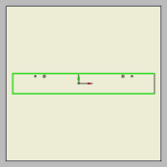
 |  |  |  | R5028 0,45

 | Quantity: | 1
 | Part Code: | COM_04
 | Name: | Bottom Plynth of Commode
 | Size: | 500x71x18
 | Material Type: | Laminated Board
 | Has Grain: | Yes
 | Material
 | Code: | 10-0200-0000-00117
 | Name: | Laminated Medium Density Fiberboard R5028 18MM
 | Coloring
 | Code: | R5028
 | Name: | Acacia cinamon

COM_13
Component Data Card

 | Parent Code: COM |  | Name: Commode
 |  |  | R5028 0,45
 |  |  | 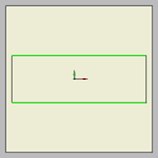
 |  |  | R5028 0,45

 | Quantity: | 1
 | Part Code: | COM_13
 | Name: | Right Plynth of Commode
 | Size: | 200x71x18
 | Material Type: | Laminated Board
 | Has Grain: | Yes
 | Material
 | Code: | 10-0200-0000-00117
 | Name: | Laminated Medium Density Fiberboard R5028 18MM
 | Coloring
 | Code: | R5028
 | Name: | Acacia cinamon

COM_05
Component Data Card

 | Parent Code: COM |  |  | Name: Commode
 |  |  |  | R5028 0,45
 |  |  | R5028 0,45 | 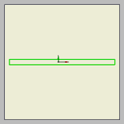 | R5028 0,45
 |  |  |  | R5028 0,45

 | Quantity: | 1
 | Part Code: | COM_05
 | Name: | Bottom Plynth of Drawer Block
 | Size: | 1401x71x18
 | Material Type: | Laminated Board
 | Has Grain: | Yes
 | Material
 | Code: | 10-0200-0000-00117
 | Name: | Laminated Medium Density Fiberboard R5028 18MM
 | Coloring
 | Code: | R5028
 | Name: | Acacia cinamon

COM_14
Component Data Card

 | Parent Code: COM |  | Name: Commode
 |  |  | R5028 0,45
 |  |  | 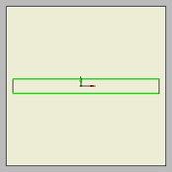
 |  |  | R5028 0,45

 | Quantity: | 1
 | Part Code: | COM_14
 | Name: | Right Plynth of Drawer Block
 | Size: | 725x71x18
 | Material Type: | Laminated Board
 | Has Grain: | Yes
 | Material
 | Code: | 10-0200-0000-00117
 | Name: | Laminated Medium Density Fiberboard R5028 18MM
 | Coloring
 | Code: | R5028
 | Name: | Acacia cinamon

COM_18
Component Data Card

 | Parent Code: COM |  | Name: Commode
 |  |  | R5028 0,45
 |  |  | 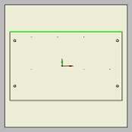

 | Quantity: | 1
 | Part Code: | COM_18
 | Name: | Right Vertical Partition of Drawer Block
 | Size: | 777x476x18
 | Material Type: | Laminated Board
 | Has Grain: | Yes
 | Material
 | Code: | 10-0200-0000-00117
 | Name: | Laminated Medium Density Fiberboard R5028 18MM
 | Coloring
 | Code: | R5028
 | Name: | Acacia cinamon

COM_06
Component Data Card

 | Parent Code: COM |  |  | Name: Commode
 |  |  |  | R3108 2
 |  |  | R3108 2 | 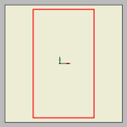 | R3108 2
 |  |  |  | R3108 2

 | Quantity: | 1
 | Part Code: | COM_06
 | Name: | Door of Drawer Block
 | Size: | 719x406x18
 | Material Type: | Laminated Board
 | Has Grain: | Yes
 | Material
 | Code: | 10-0200-0000-001146
 | Name: | Laminated Medium Density Fiberboard 729 T 18MM
 | Coloring
 | Code: | 729
 | Name: | Walnut dark

COM_26
Component Data Card

 | Parent Code: COM |  |  | Name: Commode

 |  |  | R5028 0,45 | 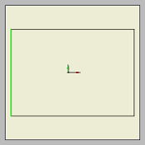

 | Quantity: | 1
 | Part Code: | COM_26
 | Name: | Vertical Partition of Commode
 | Size: | 358x252x18
 | Material Type: | Laminated Board
 | Has Grain: | Yes
 | Material
 | Code: | 10-0200-0000-00117
 | Name: | Laminated Medium Density Fiberboard R5028 18MM
 | Coloring
 | Code: | R5028
 | Name: | Acacia cinamon

COM_09
Component Data Card

 | Parent Code: COM |  | Name: Commode

 |  |  | 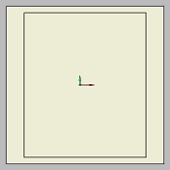

 | Quantity: | 1
 | Part Code: | COM_09
 | Name: | Left Side of Back
 | Size: | 1070x899x4
 | Material Type: | Laminated Board
 | Has Grain: | Yes
 | Material
 | Code: | 10-0200-0000-00116
 | Name: | Laminated High Density Fiberboard R5028 4MM
 | Coloring
 | Code: | R5028
 | Name: | Acacia cinamon

COM_15
Component Data Card

 | Parent Code: COM |  | Name: Commode

 |  |  | 

 | Quantity: | 1
 | Part Code: | COM_15
 | Name: | Right Side of Back
 | Size: | 1070x981x4
 | Material Type: | Laminated Board
 | Has Grain: | Yes
 | Material
 | Code: | 10-0200-0000-00116
 | Name: | Laminated High Density Fiberboard R5028 4MM
 | Coloring
 | Code: | R5028
 | Name: | Acacia cinamon

COM_07
Component Data Card

 | Parent Code: COM |  |  | Name: Commode
 |  |  |  | R5028 2
 |  |  | R5028 2 | 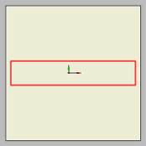 | R5028 2
 |  |  |  | R5028 2

 | Quantity: | 4
 | Part Code: | COM_07
 | Name: | Facade of Drawer
 | Size: | 918x178x18
 | Material Type: | Laminated Board
 | Has Grain: | Yes
 | Material
 | Code: | 10-0200-0000-00117
 | Name: | Laminated Medium Density Fiberboard R5028 18MM
 | Coloring
 | Code: | R5028
 | Name: | Acacia cinamon

COM_20
Component Data Card

 | Parent Code: COM |  |  | Name: Commode
 |  |  |  | R5028 0,45
 |  |  | R5028 0,45 | 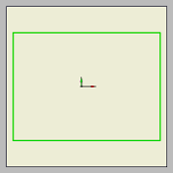 | R5028 0,45
 |  |  |  | R5028 0,45

 | Quantity: | 2
 | Part Code: | COM_20
 | Name: | Shelf
 | Size: | 480x352x18
 | Material Type: | Laminated Board
 | Has Grain: | Yes
 | Material
 | Code: | 10-0200-0000-00117
 | Name: | Laminated Medium Density Fiberboard R5028 18MM
 | Coloring
 | Code: | R5028
 | Name: | Acacia cinamon

COM_19
Component Data Card

 | Parent Code: COM |  |  | Name: Commode
 |  |  |  | R5028 0,45
 |  |  | R5028 0,45 | 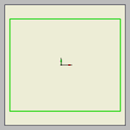 | R5028 0,45
 |  |  |  | R5028 0,45

 | Quantity: | 2
 | Part Code: | COM_19
 | Name: | Shelf of Drawer Block
 | Size: | 457x380x18
 | Material Type: | Laminated Board
 | Has Grain: | Yes
 | Material
 | Code: | 10-0200-0000-00117
 | Name: | Laminated Medium Density Fiberboard R5028 18MM
 | Coloring
 | Code: | R5028
 | Name: | Acacia cinamon

